Packing
Image | Ref. | Description | Pcs
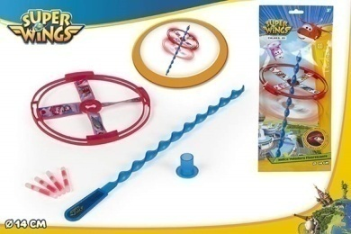 | 77,021 | FLYING GLOW DISC - SUPERWINGS | 5,447
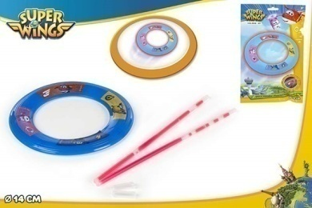 | 77,022 | FLYING GLOW RING - SUPERWINGS | 9,306
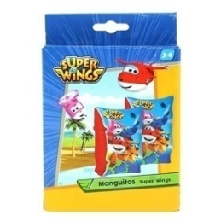 | 77,028 | ARMBANDS SUPERWINGS 2/S | 29,438
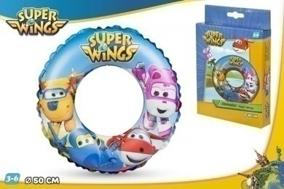 | 77,029 | SWIM RING D50 CM - SUPERWINGS | 33,027
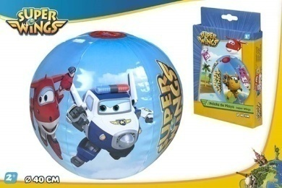 | 77,030 | BEACH BALL D40 CM - SUPERWINGS | 25,902
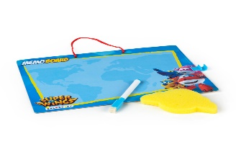 | 77,046 | MEMO BOARD + MARKER 28X20CM - SUPER WINGS | 11,437
 | 77,048 | BL SWIM GOGGLES - SUPERWINGS | 3,356
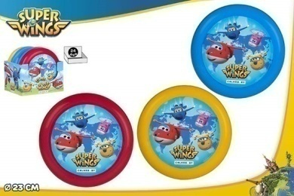 | 77,051 | FLYING DISC D23CM - SUPER WINGS 3/S - DISP 24 | 3,897
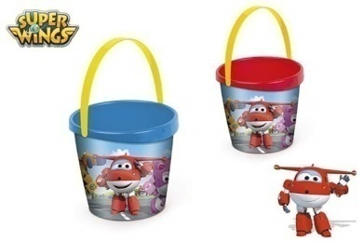 | 77,057 | BEACH BUCKET D18CM - SUPERWINGS 2/S | 3,787

 |  |  | 125,597

