Blad1
Photo | Size | Qty
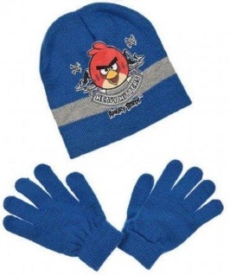 | 52 cm | 8
 | 54 cm | 8
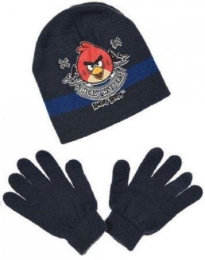 | 52 cm | 8
 | 54 cm | 6
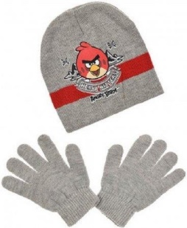 | 52 cm | 8
 | 54 cm | 8
Total |  | 46

