Blad1
Photo | Size | Qty
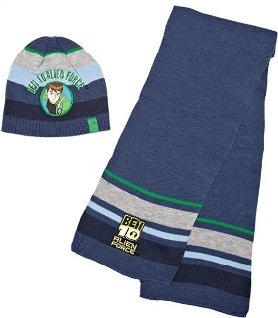 | 52 cm | 13
 | 54 cm | 8
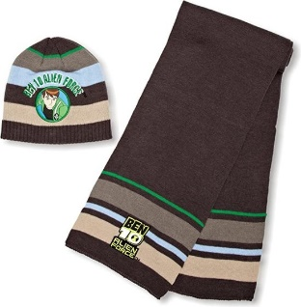 | 52 cm | 9
 | 54 cm | 9
Total |  | 39

