Blad1
Photo | Size | Qty
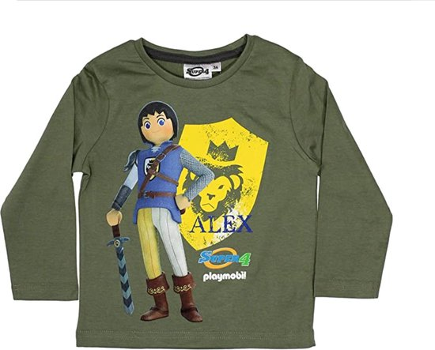 | 98 cm | 4
 | 104 cm | 4
 | 116 cm | 2
 | 128 cm | 3
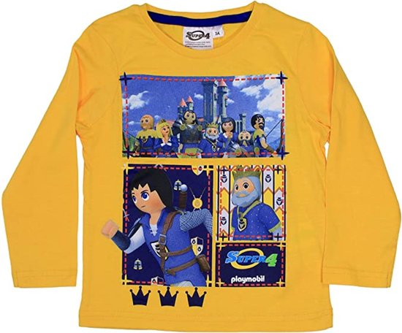 | 98 cm | 2
 | 104 cm | 3
 | 116 cm | 3
 | 128 cm | 4
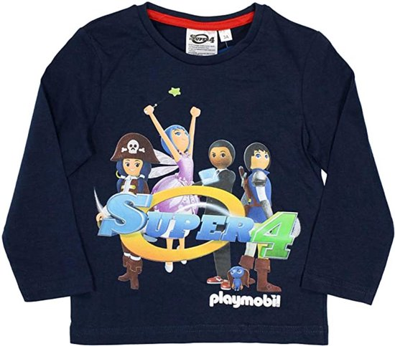 | 98 cm | 4
 | 104 cm | 5
 | 116 cm | 3
 | 128 cm | 2
Total |  | 39

