Blad1
Photo | Size | Qty
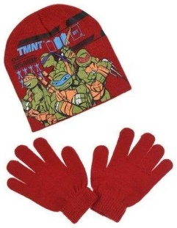 | 52 cm | 16
 | 54 cm | 15
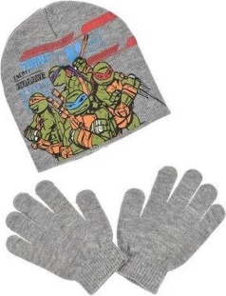 | 52 cm | 14
 | 54 cm | 13
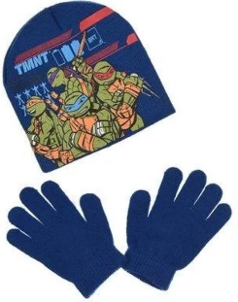 | 52 cm | 12
 | 54 cm | 14
Total |  | 84

