Hello Kitty 3-D
Photo | Size | Qty
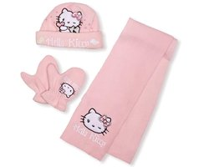 | 48 cm | 21
 | 50 cm | 0
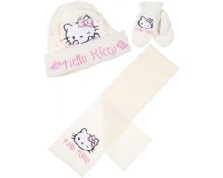 | 48 cm | 9
 | 50 cm | 13
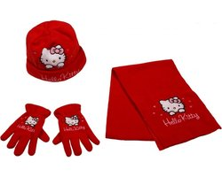 | 52 cm | 42
 | 54 cm | 31
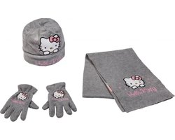 | 52 cm | 11
 | 54 cm | 27
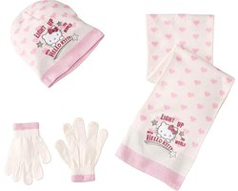 | 52 cm | 2
 | 54 cm | 7
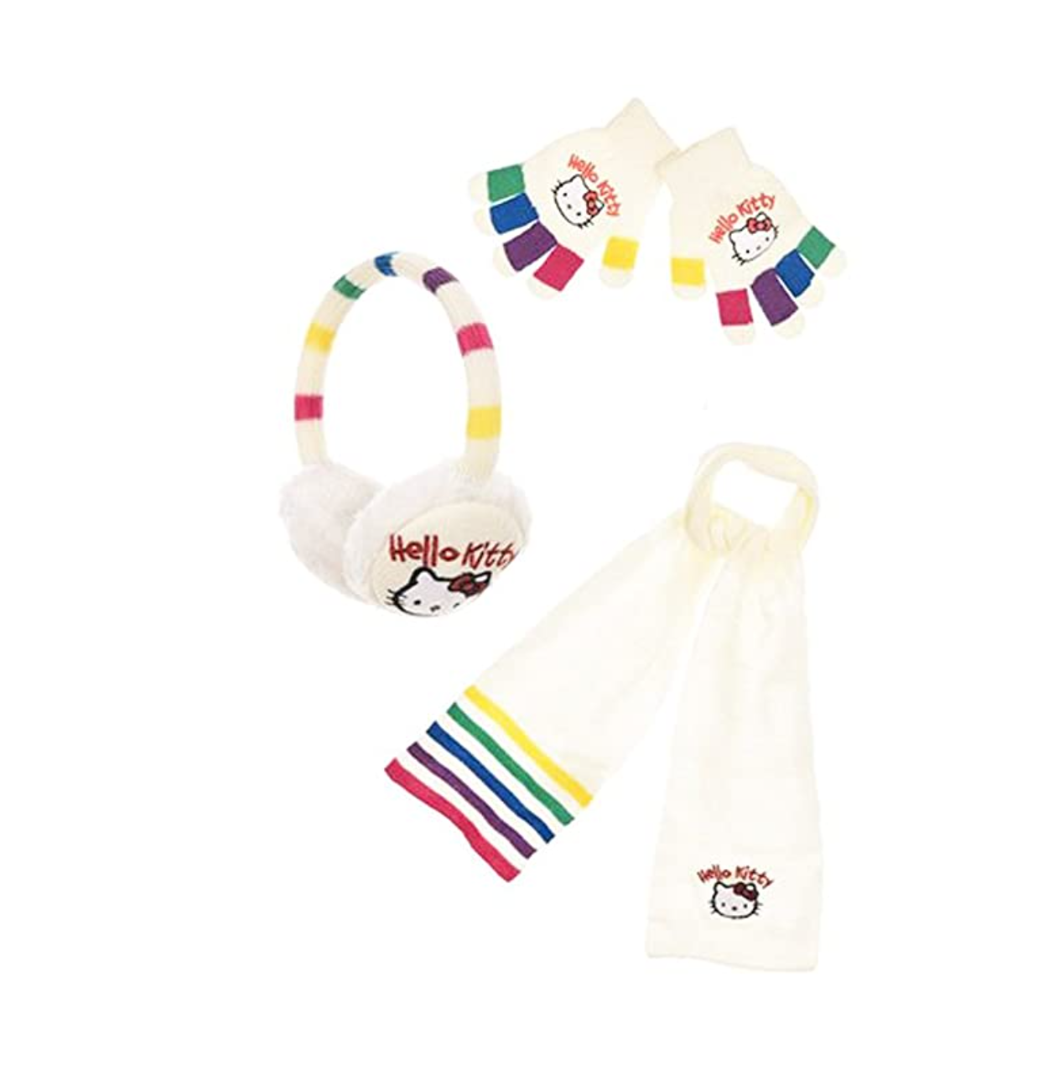 | One-size-fits-all | 6
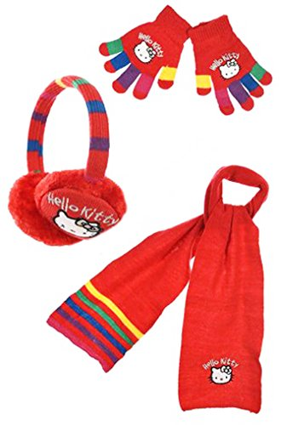 | One-size-fits-all | 14
 | One-size-fits-all | 10
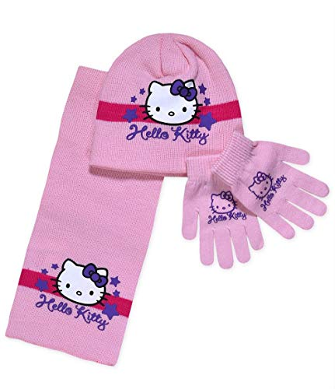 | 52 cm | 2
 | 54 cm | 4
 | 52 cm | 9
 | 54 cm | 10
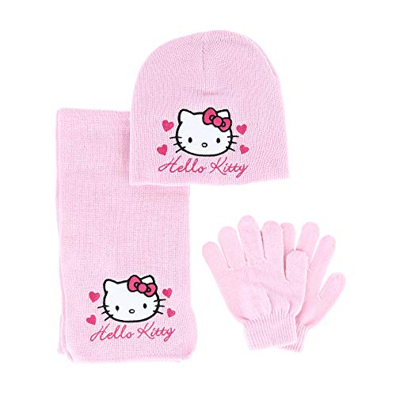 | 52 cm | 13
 | 54 cm | 14
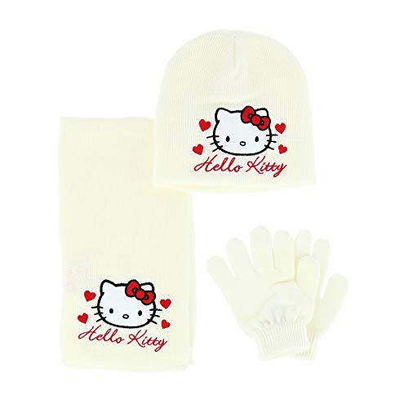 | 52 cm | 18
 | 54 cm | 10
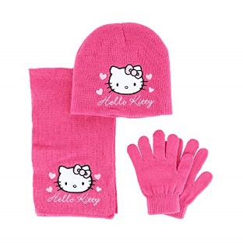 | 52 cm | 14
 | 54 cm | 9
 | 52 cm | 3
 | 54 cm | 10
 | 52 cm | 17
 | 54 cm | 16
 | 52 cm | 16
 | 54 cm | 17
 | 52 cm | 3
 | 54 cm | 8
Total: |  | 386

