NIKE
BRAND | PRODUCT | NAME | Size |  |  |  |  |  |  |  |  |  |  |  |  |  |  |  |  |  | Total | PRICE
 |  |  | 36 | 36.5 | 37.5 | 38 | 38.5 | 39 | 40 | 40.5 | 41 | 42 | 42.5 | 43 | 44 | 44.5 | 45 | 45.5 | 46 | 46.5
NIKE | DJ6887-001 | AIR FORCE 1 LV8 |  |  |  |  |  |  |  |  | 10 | 2 | 8 | 11 | 6 | 10 | 5 |  |  |  | 52
JORDAN | CJ1379-001 | 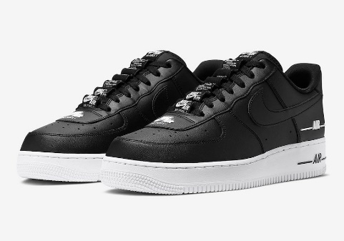 AIR FORCE 1 07 LV8 |  |  |  |  |  |  | 4 | 3 | 2 | 3 | 3 | 6 | 6 | 1 |  |  |  |  | 28

 |  |  |  |  |  |  |  |  |  |  |  |  |  |  |  |  |  |  |  |  | 80

