Blad1
Photo | Size | Qty
 | 52 cm | 16

 | 54 cm | 13

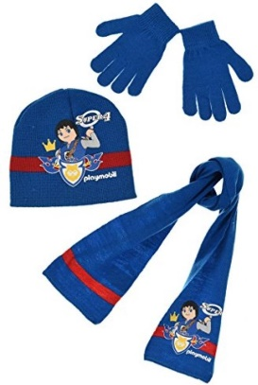 | 52 cm | 16

 | 54 cm | 12

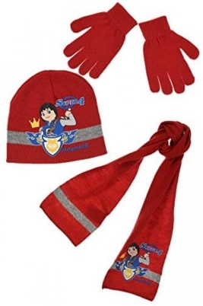 | 52 cm | 15

 | 54 cm | 16

Total |  | 88

