Turbo Adult
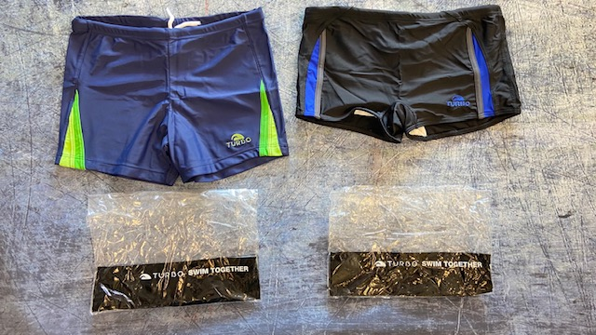
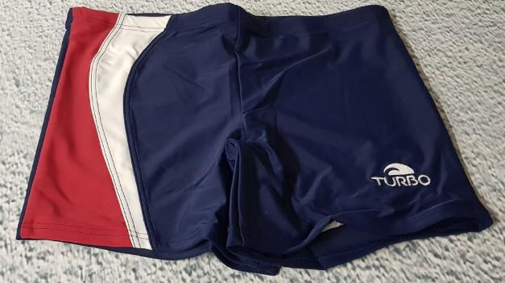
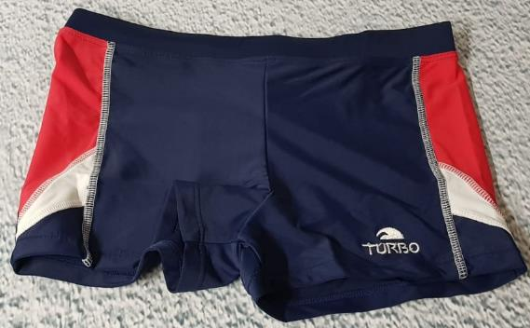
 |  |  |  |  |  |  | TURBO SWIMCLOTHES ADULTS IN STOCK!

Article | Model | EU | S | M | L | XL | XXL | Total | Price | RRP/UVP
79096 | Turbo Boxer Men Comp. |  | 1454 | 117 | 44 | 198 | 939 | 2752 | € 3.95 | € 45.00 | 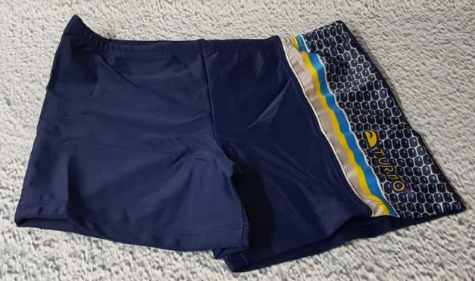 | 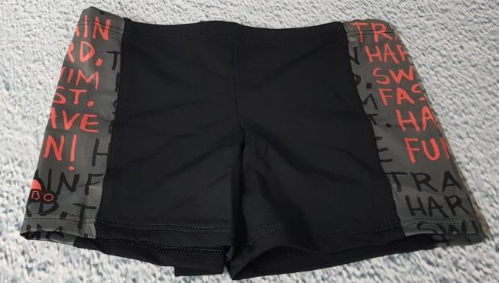
 |  |  |  |  |  |  |  | 2752

