Blad1
 |  | ICE GRIPPERS IN STOCK!

Photo | Article | Model | S | M | L | Total | Price | RRP/UVP | EAN | Carton | Pallet 100*120*150cm – 300kg | Made in | Material | HS CODE
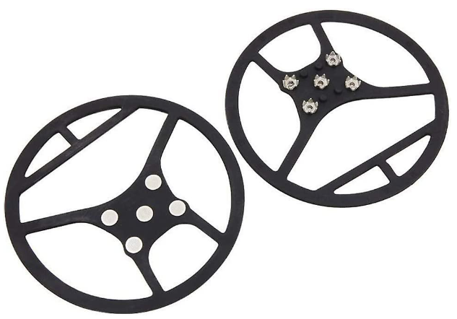 | 5974 | Non Slip - Ice Cleats - Super Ice Grippers (pull on metal spikes) | 133 | 3084 | 2088 | 5305 | € 0.95 | € 22.95 | 5055319559744 | 48 pcs | 2000 units | China | rubber and metal | 9506999000

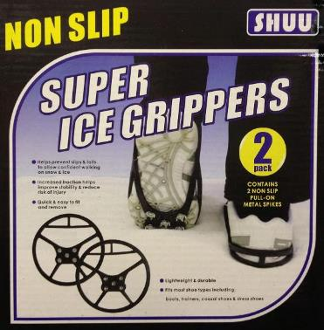
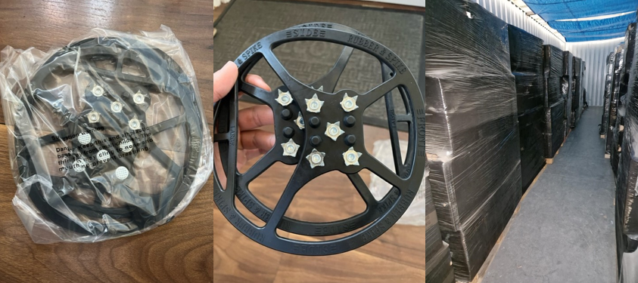
 |  | Confidently walk on ice and snow
 |  | Helps prevent slips and falls
 |  | Stability and safety traction reduces risk of injuries
 |  | Quick and easy to fit/remove
 |  | Fits most types of shoes; boots, trainers, casual and dress shoes
 |  | Lightweight and durable
 |  | Material - Durable TPR rubber and metal performs under -45c

 |  | Language: English on packaging

 |  | Universal size (UK shoe size 3 to 7.5 / UK shoe size 7 to 13) fits kids and adults
 |  | M: EU SIZE 35.5 TO 40 UK SIZE 3 TO 7.5
 |  | L: EU SIZE 40.5 TO 48 UK SIZE 7 TO 13

