List1
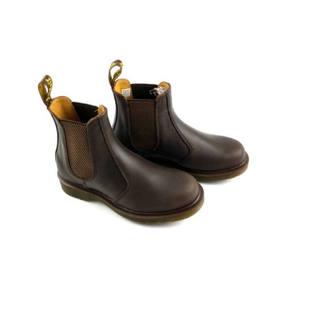
Picture | Brand | Name | SIZE EU | Stock | Price take all model/pair | RRP price
 | Dr.Martens | 2976 Dr.Martens Crazy Horse | 36 | 10 | 79.00 | 189.95
 | Dr.Martens | 2976 Dr.Martens Crazy Horse | 38 | 14 | 79.00 | 189.95
 | Dr.Martens | 2976 Dr.Martens Crazy Horse | 39 | 9 | 79.00 | 189.95
 | Dr.Martens | 2976 Dr.Martens Crazy Horse | 40 | 9 | 79.00 | 189.95
 | Dr.Martens | 2976 Dr.Martens Crazy Horse | 41 | 10 | 79.00 | 189.95
 | Dr.Martens | 2976 Dr.Martens Crazy Horse | 43 | 9 | 79.00 | 189.95
 | Dr.Martens | 2976 Dr.Martens Crazy Horse | 45 | 9 | 79.00 | 189.95

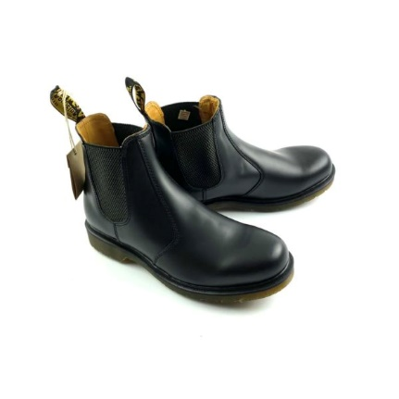
 | Dr.Martens | 2976 Dr.Martens Smooth | 36 | 9 | 89.00 | 189.95
 | Dr.Martens | 2976 Dr.Martens Smooth | 37 | 9 | 89.00 | 189.95
 | Dr.Martens | 2976 Dr.Martens Smooth | 38 | 9 | 89.00 | 189.95
 | Dr.Martens | 2976 Dr.Martens Smooth | 39 | 10 | 89.00 | 189.95
 | Dr.Martens | 2976 Dr.Martens Smooth | 40 | 12 | 89.00 | 189.95
 | Dr.Martens | 2976 Dr.Martens Smooth | 41 | 14 | 89.00 | 189.95
 | Dr.Martens | 2976 Dr.Martens Smooth | 42 | 13 | 89.00 | 189.95
 | Dr.Martens | 2976 Dr.Martens Smooth | 43 | 13 | 89.00 | 189.95
 | Dr.Martens | 2976 Dr.Martens Smooth | 44 | 10 | 89.00 | 189.95
 | Dr.Martens | 2976 Dr.Martens Smooth | 45 | 10 | 89.00 | 189.95
 | Dr.Martens | 2976 Dr.Martens Smooth | 46 | 14 | 89.00 | 189.95
 | Dr.Martens | 2976 Dr.Martens Smooth | 47 | 9 | 89.00 | 189.95

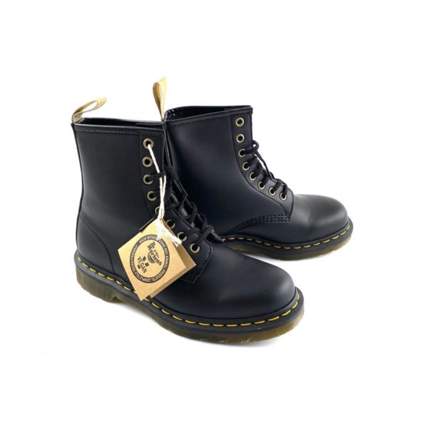
 |  |  |  |  |  | 189.95
 | Dr.Martens | 1460 Dr.Martens Vegan Felix Rub Off | 36 | 1 | 89.00 | 189.95
 | Dr.Martens | 1460 Dr.Martens Vegan Felix Rub Off | 37 | 1 | 89.00 | 189.95
 | Dr.Martens | 1460 Dr.Martens Vegan Felix Rub Off | 38 | 1 | 89.00 | 189.95
 | Dr.Martens | 1460 Dr.Martens Vegan Felix Rub Off | 40 | 1 | 89.00 | 189.95
 | Dr.Martens | 1460 Dr.Martens Vegan Felix Rub Off | 41 | 1 | 89.00 | 189.95
 | Dr.Martens | 1460 Dr.Martens Vegan Felix Rub Off | 42 | 1 | 89.00 | 189.95
 | Dr.Martens | 1460 Dr.Martens Vegan Felix Rub Off | 43 | 2 | 89.00 | 189.95
 | Dr.Martens | 1460 Dr.Martens Vegan Felix Rub Off | 44 | 2 | 89.00 | 189.95
 | Dr.Martens | 1460 Dr.Martens Vegan Felix Rub Off | 45 | 1 | 89.00 | 189.95
 | Dr.Martens | 1460 Dr.Martens Vegan Felix Rub Off | 46 | 3 | 89.00 | 189.95
 | Dr.Martens | 1460 Dr.Martens Vegan Felix Rub Off | 47 | 1 | 89.00 | 189.95
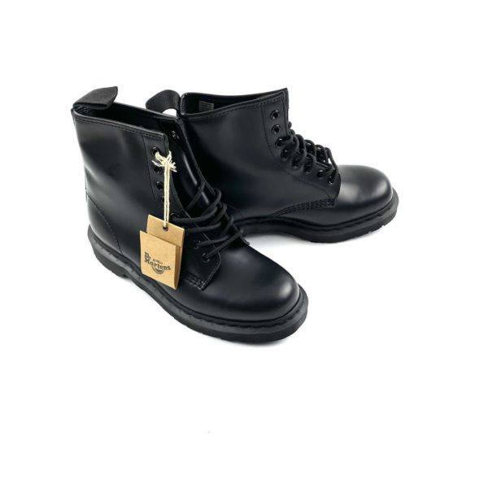
 | Dr.Martens | 1460 Dr.Martens Mono Smooth | 36 | 2 | 89.00 | 189.95
 | Dr.Martens | 1460 Dr.Martens Mono Smooth | 37 | 1 | 89.00 | 189.95
 | Dr.Martens | 1460 Dr.Martens Mono Smooth | 38 | 1 | 89.00 | 189.95
 | Dr.Martens | 1460 Dr.Martens Mono Smooth | 39 | 1 | 89.00 | 189.95
 | Dr.Martens | 1460 Dr.Martens Mono Smooth | 40 | 1 | 89.00 | 189.95
 | Dr.Martens | 1460 Dr.Martens Mono Smooth | 41 | 1 | 89.00 | 189.95
 | Dr.Martens | 1460 Dr.Martens Mono Smooth | 43 | 1 | 89.00 | 189.95
 | Dr.Martens | 1460 Dr.Martens Mono Smooth | 44 | 3 | 89.00 | 189.95
 | Dr.Martens | 1460 Dr.Martens Mono Smooth | 45 | 2 | 89.00 | 189.95
 | Dr.Martens | 1460 Dr.Martens Mono Smooth | 46 | 2 | 89.00 | 189.95
 | Dr.Martens | 1460 Dr.Martens Mono Smooth | 47 | 1 | 89.00 | 189.95
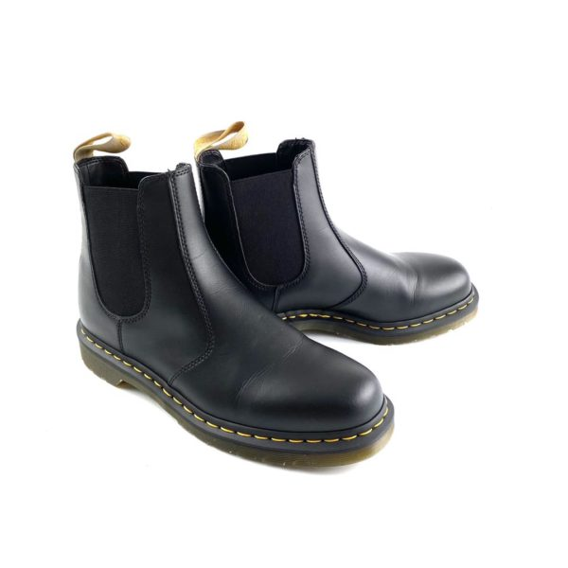
 | Dr.Martens | 2976 Vegan Felix Rub Off | 37 | 9 | 89.00 | 189.95
 | Dr.Martens | 2976 Vegan Felix Rub Off | 38 | 9 | 89.00 | 189.95
 | Dr.Martens | 2976 Vegan Felix Rub Off | 39 | 11 | 89.00 | 189.95
 | Dr.Martens | 2976 Vegan Felix Rub Off | 40 | 10 | 89.00 | 189.95
 | Dr.Martens | 2976 Vegan Felix Rub Off | 41 | 12 | 89.00 | 189.95
 | Dr.Martens | 2976 Vegan Felix Rub Off | 42 | 9 | 89.00 | 189.95
 | Dr.Martens | 2976 Vegan Felix Rub Off | 43 | 9 | 89.00 | 189.95
 | Dr.Martens | 2976 Vegan Felix Rub Off | 44 | 11 | 89.00 | 189.95
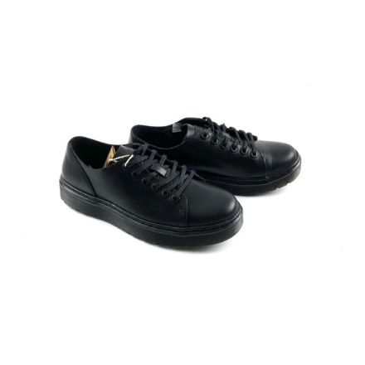
 | Dr.Martens | 2976 Vegan Felix Rub Off | 46 | 9 | 89.00 | 189.95

 | Dr.Martens | Dr.Martens Dante Brando | 36 | 10 | 79.00 | 149.95
 | Dr.Martens | Dr.Martens Dante Brando | 37 | 11 | 79.00 | 149.95
 | Dr.Martens | Dr.Martens Dante Brando | 38 | 9 | 79.00 | 149.95
 | Dr.Martens | Dr.Martens Dante Brando | 39 | 10 | 79.00 | 149.95
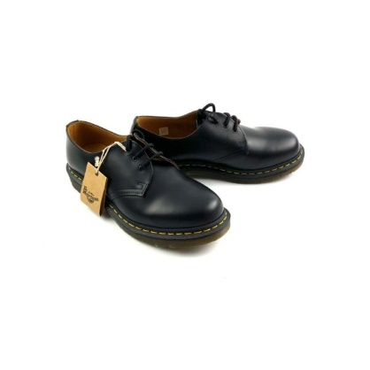
 | Dr.Martens | Dr.Martens Dante Brando | 40 | 10 | 79.00 | 149.95
 | Dr.Martens | Dr.Martens Dante Brando | 41 | 9 | 79.00 | 149.95

 | Dr.Martens | 1461 Dr.Martens Smooth | 36 | 9 | 79.00 | 159.95
 | Dr.Martens | 1461 Dr.Martens Smooth | 39 | 10 | 79.00 | 159.95
 | Dr.Martens | 1461 Dr.Martens Smooth | 41 | 10 | 79.00 | 159.95
 | Dr.Martens | 1461 Dr.Martens Smooth | 42 | 9 | 79.00 | 159.95

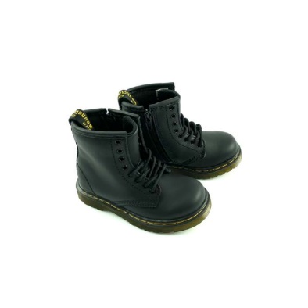

 | Dr.Martens | 1460 T D.Martens Softy T | 22 | 11 | 49.00 | 89.95
 | Dr.Martens | 1460 T D.Martens Softy T | 23 | 9 | 49.00 | 89.95
 | Dr.Martens | 1460 T D.Martens Softy T | 24 | 9 | 49.00 | 89.95
 | Dr.Martens | 1460 T D.Martens Softy T | 25 | 9 | 49.00 | 89.95
 | Dr.Martens | 1460 T D.Martens Softy T | 26 | 9 | 49.00 | 89.95
 | Dr.Martens | 1460 T D.Martens Softy T | 27 | 9 | 49.00 | 89.95

 |  |  |  | 475

