Product details
Product Display | Photo | Brand | Style code | Category | Composition | Color Name | Packaging Type | Size | EAN | Made In | HS Code | QTY | RRP | Total RRP
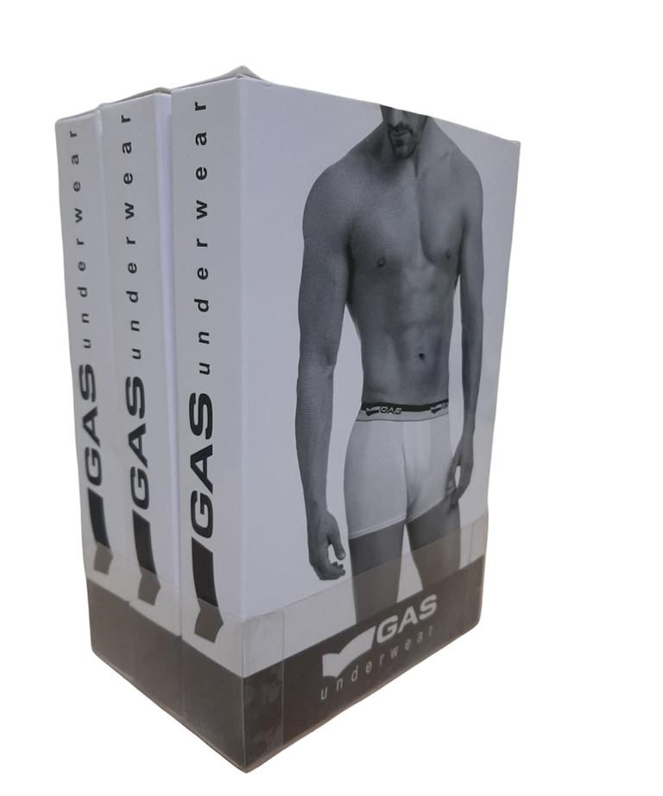 |  | GAS | GUSL01GAFI | Slip | 95% Cotton 5% Elasthan | Blue | Single P. | M | 8056775839675 | Bangladesh | 61071100 | 2 | 19.90 € | 39.80 €
 |  | GAS | GUSL01GAFI | Slip | 95% Cotton 5% Elasthan | Blue | Single P. | L | 8056775839682 | Bangladesh | 61071100 | 3 | 19.90 € | 59.70 €
 |  | GAS | GUSL01GAFI | Slip | 95% Cotton 5% Elasthan | Blue | Single P. | XL | 8056775839699 | Bangladesh | 61071100 | 3 | 19.90 € | 59.70 €
 |  | GAS | GUSL01GAFI | Slip | 95% Cotton 5% Elasthan | Blue | Single P. | XXL | 8056775839705 | Bangladesh | 61071100 | 2 | 19.90 € | 39.80 €
 |  | GAS | GUSL01GAFI | Slip | 95% Cotton 5% Elasthan | Black | Single P. | M | 8056775839576 | Bangladesh | 61071100 | 3 | 19.90 € | 59.70 €
 |  | GAS | GUSL01GAFI | Slip | 95% Cotton 5% Elasthan | Black | Single P. | L | 8056775839583 | Bangladesh | 61071100 | 3 | 19.90 € | 59.70 €
 |  | GAS | GUSL01GAFI | Slip | 95% Cotton 5% Elasthan | Black | Single P. | XL | 8056775839590 | Bangladesh | 61071100 | 3 | 19.90 € | 59.70 €
 |  | GAS | GUSL01GAFI | Slip | 95% Cotton 5% Elasthan | Black | Single P. | XXL | 8056775839606 | Bangladesh | 61071100 | 2 | 19.90 € | 39.80 €
 |  | GAS | GUSL01GAFI | Slip | 95% Cotton 5% Elasthan | Melange | Single P. | M | 8056775839620 | Bangladesh | 61071100 | 2 | 19.90 € | 39.80 €
 |  | GAS | GUSL01GAFI | Slip | 95% Cotton 5% Elasthan | Melange | Single P. | L | 8056775839637 | Bangladesh | 61071100 | 3 | 19.90 € | 59.70 €
 |  | GAS | GUSL01GAFI | Slip | 95% Cotton 5% Elasthan | Melange | Single P. | XL | 8056775839644 | Bangladesh | 61071100 | 3 | 19.90 € | 59.70 €
 |  | GAS | GUSL01GAFI | Slip | 95% Cotton 5% Elasthan | Melange | Single P. | XXL | 8056775839651 | Bangladesh | 61071100 | 2 | 19.90 € | 39.80 €
 |  | GAS | GUPA01GAFI | Trunk | 95% Cotton 5% Elasthan | Blue | Single P. | M | 8056775842279 | Bangladesh | 61071100 | 10 | 24.90 € | 249.00 €
 |  | GAS | GUPA01GAFI | Trunk | 95% Cotton 5% Elasthan | Blue | Single P. | L | 8056775842286 | Bangladesh | 61071100 | 12 | 24.90 € | 298.80 €
 |  | GAS | GUPA01GAFI | Trunk | 95% Cotton 5% Elasthan | Blue | Single P. | XL | 8056775842293 | Bangladesh | 61071100 | 270 | 24.90 € | 6,723.00 €
 |  | GAS | GUPA01GAFI | Trunk | 95% Cotton 5% Elasthan | Blue | Single P. | XXL | 8056775842309 | Bangladesh | 61071100 | 116 | 24.90 € | 2,888.40 €
 |  | GAS | GUPA01GAFI | Trunk | 95% Cotton 5% Elasthan | Black | Single P. | M | 8056775842170 | Bangladesh | 61071100 | 10 | 24.90 € | 249.00 €
 |  | GAS | GUPA01GAFI | Trunk | 95% Cotton 5% Elasthan | Black | Single P. | L | 8056775842187 | Bangladesh | 61071100 | 12 | 24.90 € | 298.80 €
 |  | GAS | GUPA01GAFI | Trunk | 95% Cotton 5% Elasthan | Black | Single P. | XL | 8056775842194 | Bangladesh | 61071100 | 270 | 24.90 € | 6,723.00 €
 |  | GAS | GUPA01GAFI | Trunk | 95% Cotton 5% Elasthan | Black | Single P. | XXL | 8056775842200 | Bangladesh | 61071100 | 116 | 24.90 € | 2,888.40 €
 |  | GAS | GUPA01GAFI | Trunk | 95% Cotton 5% Elasthan | Melange | Single P. | M | 8056775842224 | Bangladesh | 61071100 | 11 | 24.90 € | 273.90 €
 |  | GAS | GUPA01GAFI | Trunk | 95% Cotton 5% Elasthan | Melange | Single P. | L | 8056775842231 | Bangladesh | 61071100 | 12 | 24.90 € | 298.80 €
 |  | GAS | GUPA01GAFI | Trunk | 95% Cotton 5% Elasthan | Melange | Single P. | XL | 8056775842248 | Bangladesh | 61071100 | 270 | 24.90 € | 6,723.00 €
 |  | GAS | GUPA01GAFI | Trunk | 95% Cotton 5% Elasthan | Melange | Single P. | XXL | 8056775842255 | Bangladesh | 61071100 | 116 | 24.90 € | 2,888.40 €
 |  |  |  |  |  |  |  |  |  |  |  |  |  | 31,119.40 €

