List1
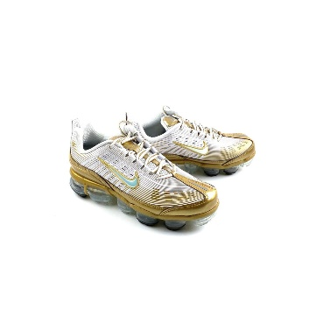
Picture | Brand | Name | SIZE EU | Stock | Price take all model/pair | RRP price
 |  |  | SIZE | QNT | EUR | EUR

 | Nike | Nike VAPORMAX 360 Gold/white | 40 | 150 | 57.00 | 224.95
 | Nike | Nike VAPORMAX 360 Gold/white | 40.5 | 15 | 57.00 | 224.95
 | Nike | Nike VAPORMAX 360 Gold/white | 41 | 30 | 57.00 | 224.95
 | Nike | Nike VAPORMAX 360 Gold/white | 42 | 15 | 57.00 | 224.95
 | Nike | Nike VAPORMAX 360 Gold/white | 42.5 | 50 | 57.00 | 224.95

 |  |  |  | 260 | 14820.00 | 58487

