Feuil1
Description | Image | Quantité | Prix | Prix internet | Lien
MIX TREESESSANTA (60087) CROMO | 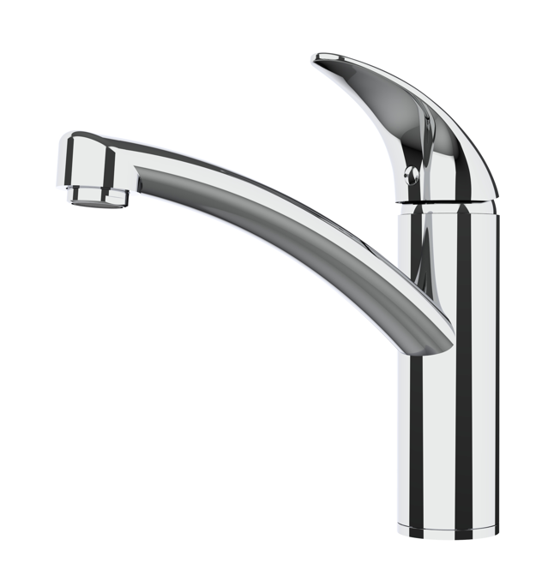 | 230 | 30.00 € | /// | ///
ANIENE TAP2486 CR | 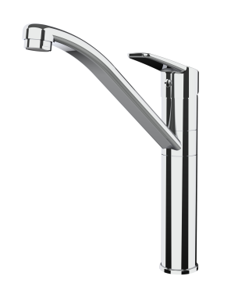 | 493 | 30.00 € | 80.00 € | https://www.google.com/search?sca_esv=594000818&rlz=1C1GCEA_enFR994FR994&sxsrf=AM9HkKnM1JNnQ0zsj0eEV13S2wiuxwPyBQ:1703691053318&q=ANIENE+TAP2486+CR&tbm=isch&source=lnms&sa=X&ved=2ahUKEwio1Kjg96-DAxV6RaQEHRaiASIQ0pQJegQICxAB&biw=1920&bih=1083&dpr=1#imgrc=AOouZ-4__q0_HM
MARIS L GIR CR/ONYX 115.0392.356 | 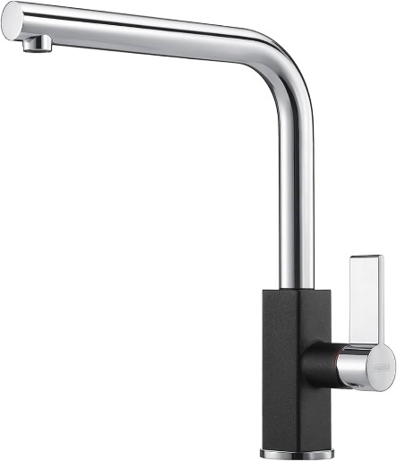 | 102 | 50.00 € | 257.00 € | https://www.vieffetrade.eu/vente/mitigeurs-de-cuisine/franke/m%C3%A9langeur-de-cuisine-_-chrome-__-noir/maris/45768
NEPTUNE EVO L EST CR/BIANCO 115.0373.944 | 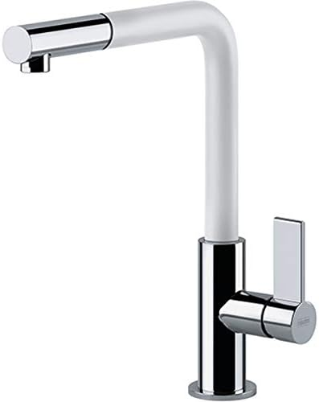 | 211 | 50.00 € | 271.00 € | https://www.vieffetrade.eu/vente/mitigeurs-de-cuisine/franke/mitigeur-de-cuisine-avec-douche-_-chrome__blanc/neptune-evo-doccia/94717?valuta=EUR&paese=FR&partner=37000
MARIS L EST SP CR/ONYX 115.0392.382 | 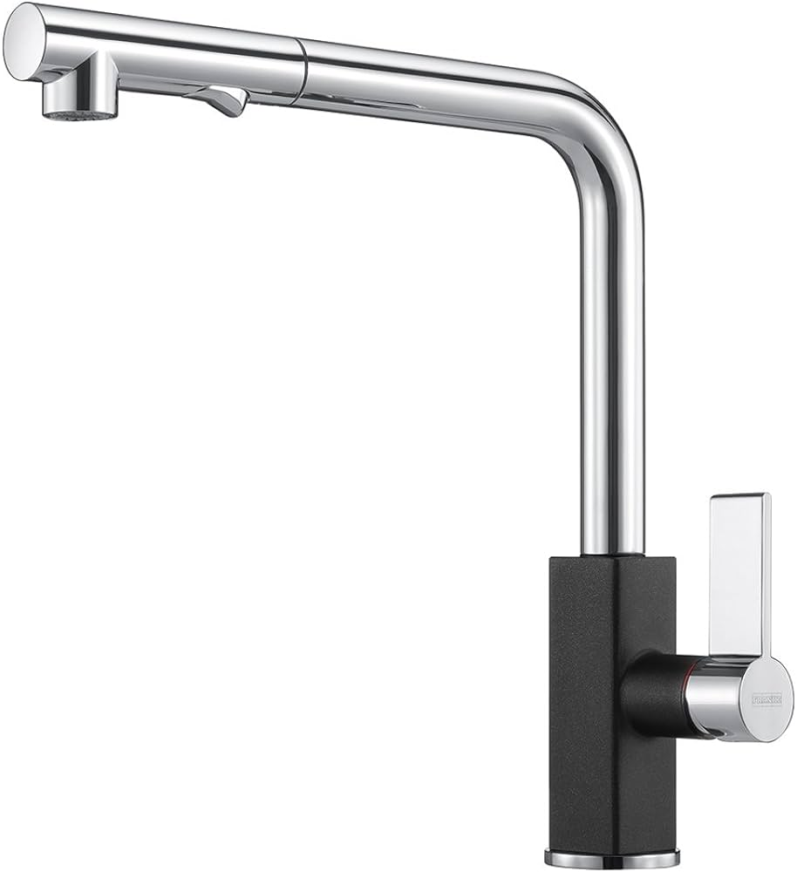 | 232 | 55.00 € | 311.00 € | https://www.sanitino.fr/franke-robinetterie-mitigeur-d-evier-fg-0392-071-chrome-onyx-115-0392-382
MARIS L EST SP FINOX 115.0392.358 | 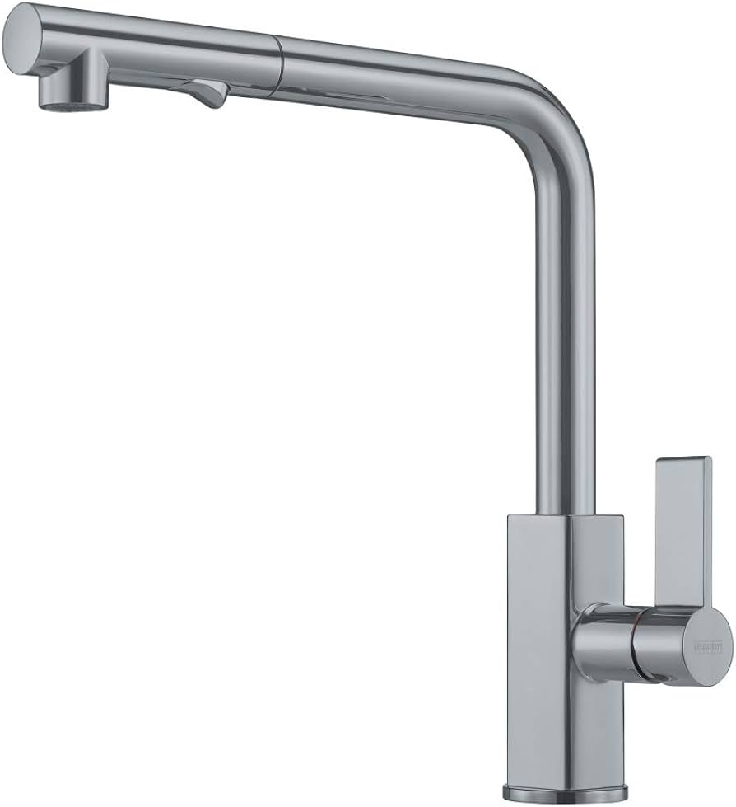 | 175 | 55.00 € | 223.00 € | https://www.dealburn.fr/reconditionne/grifo-cano-alto-extraible-franke-maris-pullout-inox/?token=Y7qcFX3SXLQsZoyd4hC9Je3w3ZuY_rLgQQ4_Vtk8Bjzj1PLUXPN0F7VJ6V6lGAHkZ
MARIS U GIR CROMO 115.0523.197 | 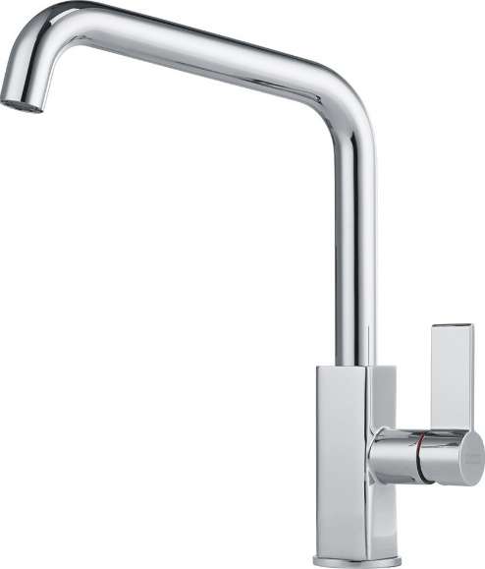 | 1 | 45.00 € | 195.00 € | https://www.fabappliances.com/en/kitchen-taps/2584-franke-maris-single-lever-sink-mixer-tap-chrome.html
NEPTUNE EVO L GIR CR/BIANCO 115.0373.929 | 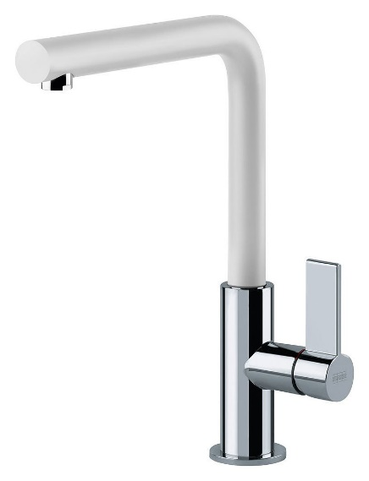 | 50 | 50.00 € | 204.00 € | https://www.vieffetrade.eu/vente/mitigeurs-de-cuisine/franke/m%C3%A9langeur-de-cuisine-_-chrome__blanc/neptune-evo/94720
MARIS L GIR CR/OATMEAL 115.0392.336 | 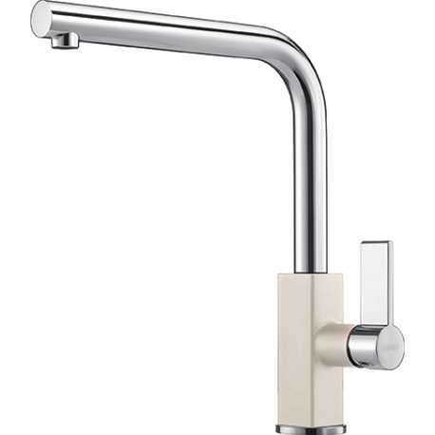 | 199 | 50.00 € | 314.00 € | https://www.tehnomax.me/bijela-tehnika/sanitarije/slavina-franke-d-maris-krom-avena-1150392336.html
Carron Phoenix Flora Robinet de cuisine chromé à double levier 115.0254.459 | 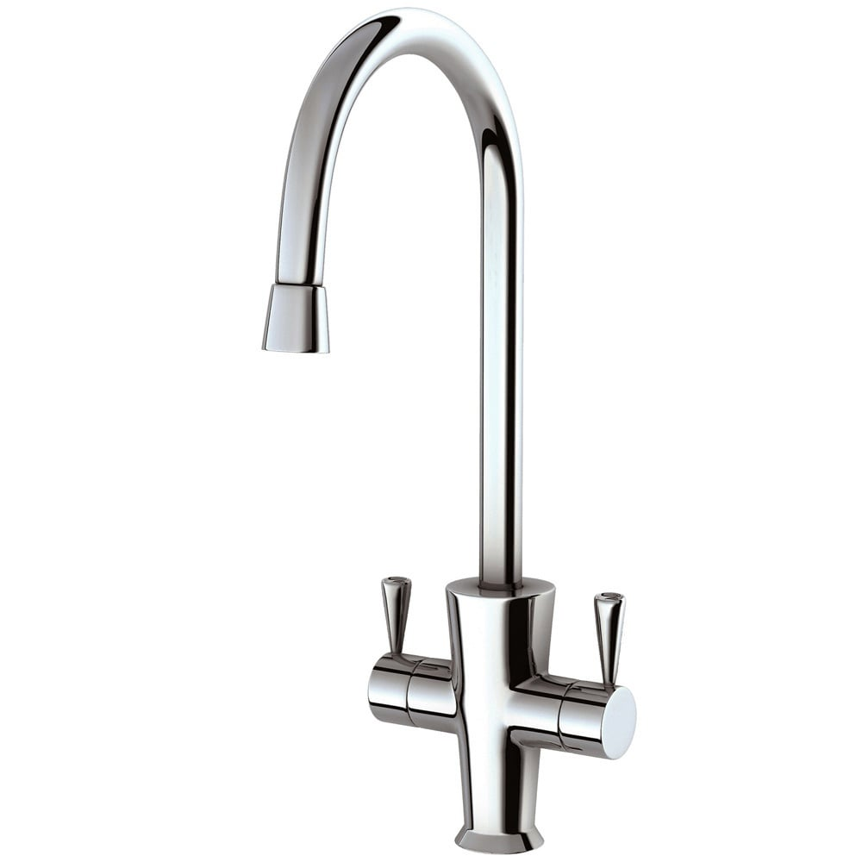 | 600 | 35.00 € | 183.00 € | https://www.qssupplies.co.uk/bathroom-furniture-shower-taps/208633.htm
LUGANO (FLORENCE) CROMO | 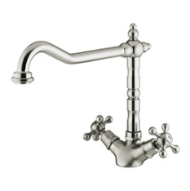 | 61 | 35.00 € | 98.00 € | https://www.tapsuk.com/nuie-traditional-french-classic-dual-lever-chrome-kitchen-sink-mixer-tap-kb305-p36525
STRONA RIG.ANG. FULL BLACK TAP8311 | 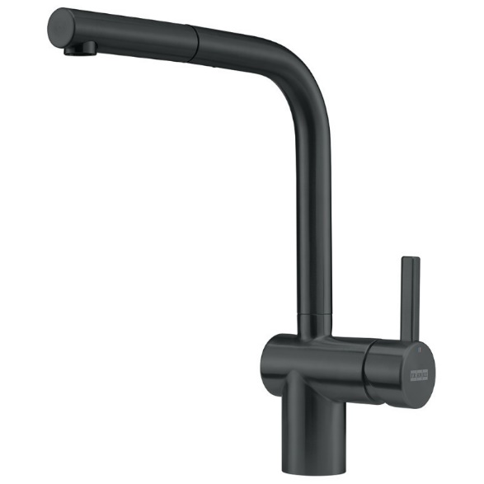 | 102 | 40.00 € | 163.00 € | https://www.sanitino.fr/franke-lina-mitigeur-d-evier-fs-3230-901-noir-mat-115-0693-393?utm_source=GooglePlatformy&utm_medium=Search&utm_campaign=GoogleMerchant&gad_source=1&gclid=CjwKCAiAs6-sBhBmEiwA1Nl8sx4aEAcVrP-Zh9BFQUja4baoD_olvUDK4wHe0DLU84O6bhYfLlB77BoCsmEQAvD_BwE
CRESTA NICKEL LUCIDO | 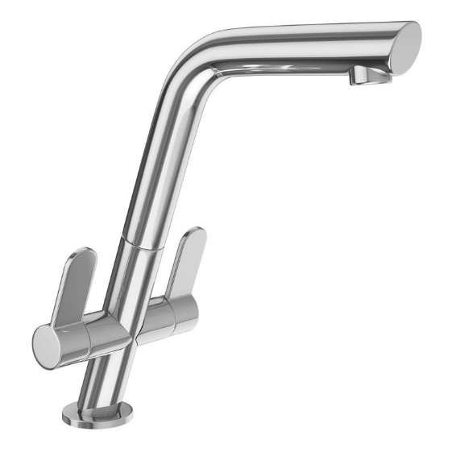 | 54 | 55.00 € | 248.00 € | https://www.qssupplies.co.uk/bathroom-furniture-shower-taps/80694.htm
CRESTA CROMO | 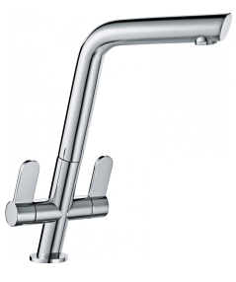 | 25 | 55.00 € | 97.00 € | https://www.taps.co.uk/franke-cresta-kitchen-tap/
Expensive coating(PVD) | 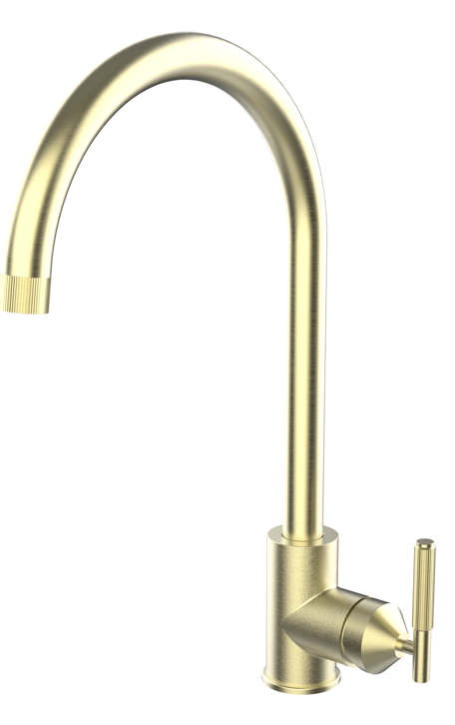 | 16 | 55.00 € | /// | ///
Expensive coating(PVD) |  | 180 | 55.00 € | /// | ///
Shower tap + expensive coating (PVD) |  | 23 | 55.00 € | /// | ///
Total: |  | 2,754

