Tommy
Tommy

 |  |  |  | BESTELLUNG
Pictures | Model | UVP's | UVP Total | Color | XS | S | M | L | XL | XXL | TOTAL
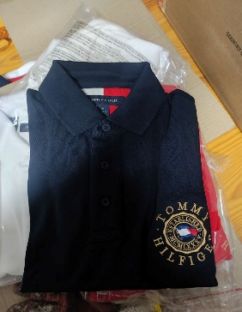 | M ICON POLO | 99.90 € | 175,124.70 € | Desert Sky | 3 | 330 | 823 | 597 | 0 |  | 1,753
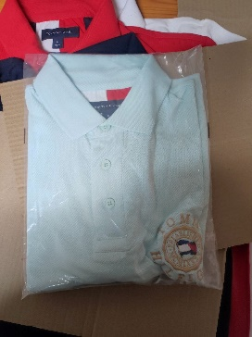 | M ICON POLO | 99.90 € | 2,197.80 € | Frosty Mint | 21 |  | 1 |  |  |  | 22
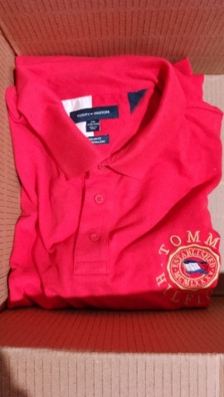 | M ICON POLO | 99.90 € | 99.90 € | Red |  |  |  |  |  | 1 | 1
 | M ICON POLO | 89.90 € | 89.90 € | Yellow |  | 1 |  |  |  |  | 1
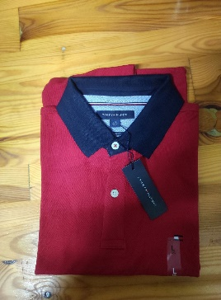 | M ICON POLO | 89.90 € | 124,781.20 € | Primery Red | 0 | 490 | 339 | 304 | 255 |  | 1,388
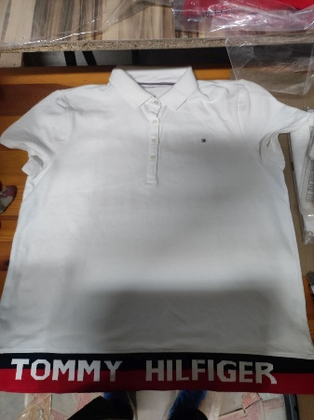 | HERITAGE POLO | 119.90 € | 1,918.40 € | White | 16 | 0 | 0 | 0 | 0 |  | 16
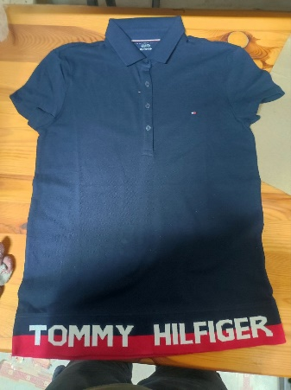 | HERITAGE POLO | 119.90 € | 12,829.30 € | Navy | 67 | 40 | 0 | 0 | 0 |  | 107
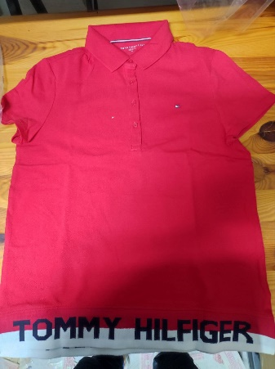 | HERITAGE POLO | 119.90 € | 3,716.90 € | Tango Red | 19 | 11 | 1 | 0 | 0 |  | 31
 |  |  | 320,758.10 € |  | 126 | 872 | 1,164 | 901 | 255 |  | 3,319

